Pre Order Form
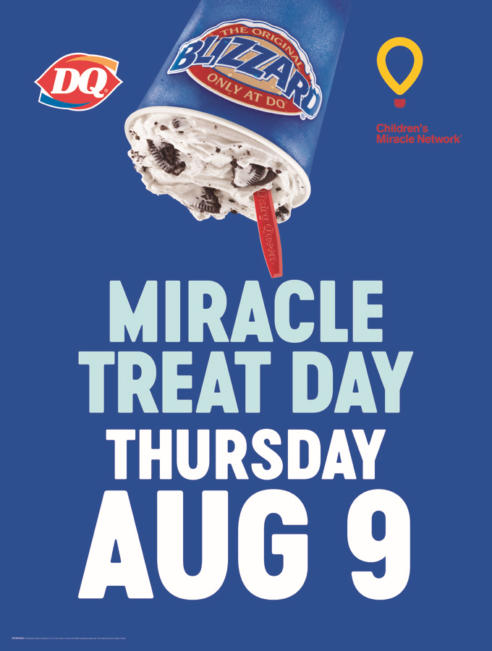
DQ® Miracle Treat Day
Thursday, August 9, 2018
Pre-Order Your Regular Blizzard® Treats
Order Due Date: Friday, July 13, 2018

 | Please select your preferred Dairy Queen location.*To find your preferred store address and postal code please visit DQ.ca
 | Store Address: |  |  | Postal Code:

 | Minimum of 10 Blizzard Treats are required for pre-order fulfillment. Orders are for pick up only. *Pick up location subject to store participation, and will be confirmed via email.

 | Please note prices vary by store. You will be contacted by email with the total cost once your order has been submitted.

PRE-ORDER CUSTOMER INFORMATION
Contact Name: |  |  |  | Address:
Company Name: |  |  |  | City:
Phone No.: |  |  |  | Province:
Email: |  |  |  | Postal Code:
Date Submitted: |  |  |  | *Pick-up Time:

Choose Your Flavour |  |  | Choose Your Quantity of Each Size
Regular Blizzards |  |  | Small: | Medium: | Large: | Total Blizzard Treats
 |  |  | 12 oz. | 16 oz. | 21 oz.
OREO® |  |  |  |  |  | 0
Cookie Dough |  |  |  |  |  | 0
Reese® Peanut Butter Cups® |  |  |  |  |  | 0
SKOR® |  |  |  |  |  | 0
Strawberry Cheesecake |  |  |  |  |  | 0
Smarties® |  |  |  |  |  | 0
 |  |  |  |  |  | 0
Company Miracle Balloonn |  |  |  |  |  | Quantity
Additional Miracle Balloon ($50.00)

 |  | DQ® to complete highlighted fields below.
 | Total Quantity Per Size |  | 0 | 0 | 0
Blizzard Treat Price (per blizzard, tax incl.)
 |  | Sub-Totals | $- | $- | $-
 |  | Total $ of All Blizzard Treats Sold |  |  | $-
 |  | Additional Children's Miracle Network® Donation
 |  | Grand Total (incl. taxes) |  |  | $-
 | All payments will be made at the time of pick up at your pick up location

 | Thank you for supporting Children's Miracle Network! Contact Emily Carter to place your order: EMAIL emily.carter-contractor@idq.com or CALL 905-637-4743 ORDER DEADLINE: NO LATER THAN FRIDAY, JULY 13, 2018

